Sheet1
 | mean | std | min | max | %std
agl | -0.79315401401 | -0.82960362535 | 0.26033785326 | -1.1601699437 | -0.15825608011
aglMean | 9.3333333333 | -0.96940482579 | 11 | 8.75 | -0.021421653424
totalArea | -2.2092307692 | -0.5501420561 | -1.248041958 | -2.3833566434 | -0.030149811381
bigBlobs | 0 | 0 | 0 | 0
medBlobs | -0.33333333333 | -0.57735026919 | 0 | -1
agl | 3.0283272271 | -0.20249217993 | 2.9386192144 | 2.5088373665 | -0.13675220496
aglMean | 10.5 | -0.97041369619 | 11.25 | 9.25 | -0.025726541217
totalArea | -4.9361538462 | -0.86816109952 | -4.583986014 | -6.0734265734 | -0.027271963287
bigBlobs | 0 | 0 | 0 | 0
medBlobs | -1 | 0 | -1 | -1
agl | -1.0960458041 | -0.08043828007 | -0.95155281281 | -0.99512483795 | 0.12379174992
aglMean | 5.75 | -2.3620706064 | 8 | 3.25 | -0.043784228216
totalArea | -2.4963636364 | -0.27990429398 | -2.1664335664 | -2.6624475524 | -0.010154990823
bigBlobs | 0 | 0 | 0 | 0
medBlobs | -0.33333333333 | -0.57735026919 | 0 | -1
agl | 0.81880782611 | -0.68846458441 | 1.5288350084 | 0.12758846988 | -0.15370968669
aglMean | 5.3333333333 | -2.2362373842 | 7.5 | 3 | -0.041886405664
totalArea | -1.7194871795 | -0.62029039212 | -1.1426573427 | -2.4012587413 | -0.07465610775
bigBlobs | 0 | 0 | 0 | 0
medBlobs | 0 | 0 | 0 | 0 | 0
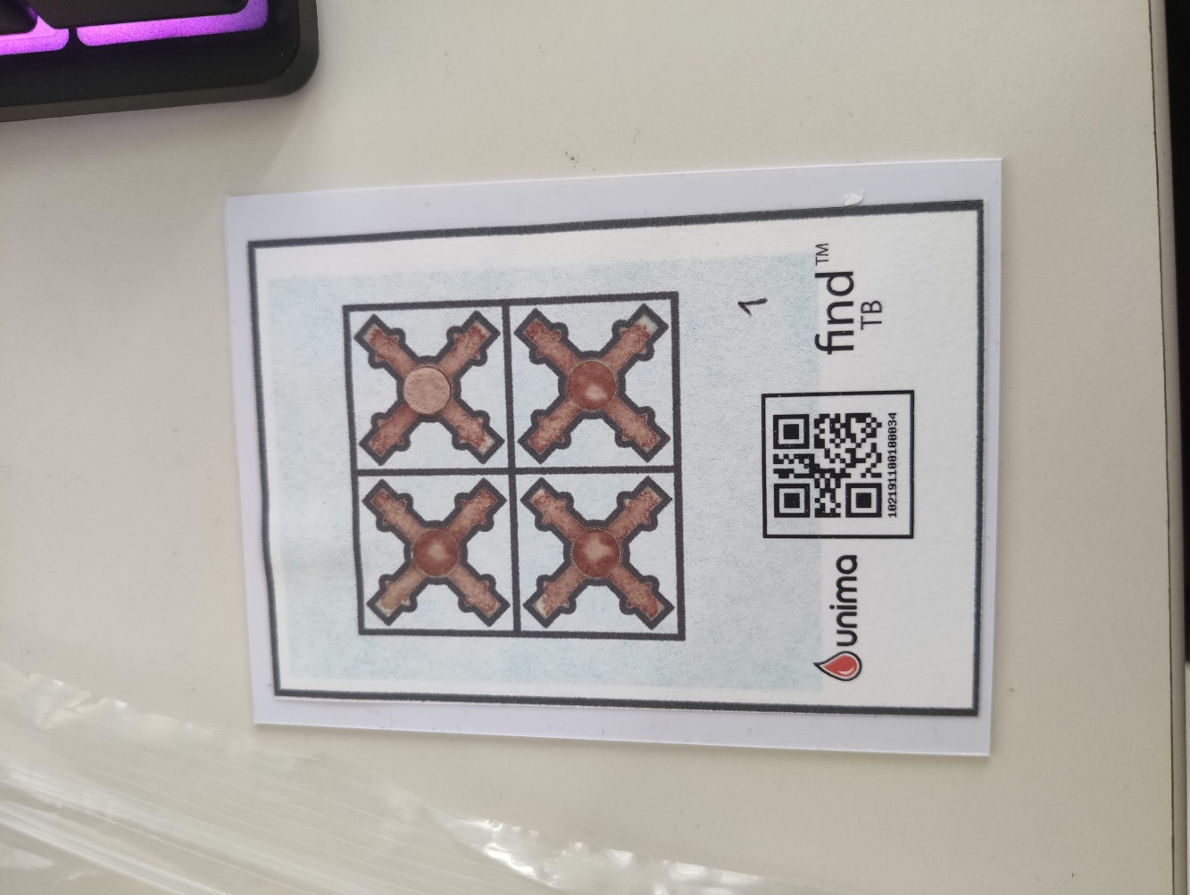
name | data | mean | std | min | max | %std
E6 | agl | -0.79315401401 | -0.82960362535 | 0.26033785326 | -1.1601699437 | -0.15825608011 | PRUEBA: RESTA DE LOS VALORES OBTENIDOS DESDE LA APLICACIÓN CON LOS OBTENIDOS POR COMPUTADORA DE LOS 3 ENSAYOS
 | aglMean | 9.3333333333 | -0.96940482579 | 11 | 8.75 | -0.021421653424
 | totalArea | -2.2092307692 | -0.5501420561 | -1.248041958 | -2.3833566434 | -0.030149811381
 | bigBlobs | 0 | 0 | 0 | 0
 | medBlobs | -0.33333333333 | -0.57735026919 | 0 | -1
CF | agl | 3.0283272271 | -0.20249217993 | 2.9386192144 | 2.5088373665 | -0.13675220496
 | aglMean | 10.5 | -0.97041369619 | 11.25 | 9.25 | -0.025726541217
 | totalArea | -4.9361538462 | -0.86816109952 | -4.583986014 | -6.0734265734 | -0.027271963287
 | bigBlobs | 0 | 0 | 0 | 0
 | medBlobs | -1 | 0 | -1 | -1
RV | agl | -1.0960458041 | -0.08043828007 | -0.95155281281 | -0.99512483795 | 0.12379174992
 | aglMean | 5.75 | -2.3620706064 | 8 | 3.25 | -0.043784228216
 | totalArea | -2.4963636364 | -0.27990429398 | -2.1664335664 | -2.6624475524 | -0.010154990823
 | bigBlobs | 0 | 0 | 0 | 0
 | medBlobs | -0.33333333333 | -0.57735026919 | 0 | -1
CT | agl | 0.81880782611 | -0.68846458441 | 1.5288350084 | 0.12758846988 | -0.15370968669
 | aglMean | 5.3333333333 | -2.2362373842 | 7.5 | 3 | -0.041886405664
 | totalArea | -1.7194871795 | -0.62029039212 | -1.1426573427 | -2.4012587413 | -0.07465610775
 | bigBlobs | 0 | 0 | 0 | 0
 | mean | std | min | max | %std
agl | -1.3276512214 | -0.37360489951 | -1.2933214455 | -1.8310299228 | -0.024859318512
aglMean | -2.75 | 0.28276497868 | -3.25 | -2.5 | 0.0075891246325
totalArea | -1.9485547786 | 0.013635994341 | -1.918041958 | -1.9247552448 | 0.0039283790898
bigBlobs | 0 | 0 | 0 | 0 | 0
medBlobs | 0 | 0 | 0 | 0
agl | 0.11311055119 | 0.2241104845 | -0.27028643697 | 0.22446609407 | 0.068993409783
aglMean | 3 | -1.03542916 | 3.5 | 1.75 | -0.018773743623
totalArea | 1.8442657343 | -0.10596834714 | 1.9881118881 | 1.8136363636 | -0.23833030192
bigBlobs | 0 | 0 | 0 | 0
medBlobs | 0 | 0 | 0 | 0
agl | -0.78483484581 | -0.72461177502 | 0.03867965644 | -1.3820192023 | -0.2003726795
aglMean | 2.4166666667 | -0.82336026025 | 2.75 | 1.25 | -0.014366453397
totalArea | 1.0869230769 | 0.060793090466 | 1.0362237762 | 1.1998601399 | -0.094699691154
bigBlobs | 0 | 0 | 0 | 0
medBlobs | 0 | 0 | 0 | 0
agl | 1.6450329351 | -0.75050544206 | 2.2319660113 | 0.67798079768 | -0.41133377636
aglMean | 3.9166666667 | 0.14142174897 | 4.25 | 4.5 | 0.0010040904555
totalArea | 0.84657342657 | -0.22611640464 | 1.121048951 | 0.67951048951 | -0.20164409179
bigBlobs | 0 | 0 | 0 | 0
medBlobs | 0 | 0 | 0 | 0
 | medBlobs | 0 | 0 | 0 | 0 | 0
E6 | agl | -1.3276512214 | -0.37360489951 | -1.2933214455 | -1.8310299228 | -0.024859318512
 | aglMean | -2.75 | 0.28276497868 | -3.25 | -2.5 | 0.0075891246325
 | totalArea | -1.9485547786 | 0.013635994341 | -1.918041958 | -1.9247552448 | 0.0039283790898
 | bigBlobs | 0 | 0 | 0 | 0 | 0
 | medBlobs | 0 | 0 | 0 | 0
CF | agl | 0.11311055119 | 0.2241104845 | -0.27028643697 | 0.22446609407 | 0.068993409783
 | aglMean | 3 | -1.03542916 | 3.5 | 1.75 | -0.018773743623
 | totalArea | 1.8442657343 | -0.10596834714 | 1.9881118881 | 1.8136363636 | -0.23833030192
 | bigBlobs | 0 | 0 | 0 | 0
 | medBlobs | 0 | 0 | 0 | 0
RV | agl | -0.78483484581 | -0.72461177502 | 0.03867965644 | -1.3820192023 | -0.2003726795
 | aglMean | 2.4166666667 | -0.82336026025 | 2.75 | 1.25 | -0.014366453397
 | totalArea | 1.0869230769 | 0.060793090466 | 1.0362237762 | 1.1998601399 | -0.094699691154
 | bigBlobs | 0 | 0 | 0 | 0
 | medBlobs | 0 | 0 | 0 | 0
CT | agl | 1.6450329351 | -0.75050544206 | 2.2319660113 | 0.67798079768 | -0.41133377636
 | aglMean | 3.9166666667 | 0.14142174897 | 4.25 | 4.5 | 0.0010040904555
 | totalArea | 0.84657342657 | -0.22611640464 | 1.121048951 | 0.67951048951 | -0.20164409179
 | bigBlobs | 0 | 0 | 0 | 0
 | mean | std | min | max | %std
agl | 0.23758620706 | -0.68954288226 | 0.70917130661 | -0.56512483795 | -0.26802664943
aglMean | 4.0833333333 | -1.4309325215 | 4.75 | 2.25 | -0.026085941794
totalArea | 0 | 0 | 0 | 0
bigBlobs | 0 | 0 | 0 | 0
medBlobs | 0 | 0 | 0 | 0
agl | 0.22320741787 | 1.1072075384 | -1.1674565306 | 0.85928578573 | 0.31674807131
aglMean | 5.9166666667 | 0.20997149328 | 5.25 | 5.75 | -0.0010651033979
totalArea | -1.265011655 | 0.55147044244 | -1.9600699301 | -1.0048951049 | 0.091353218166
bigBlobs | 0 | 0 | 0 | 0
medBlobs | 0 | 0 | 0 | 0
agl | -0.17944169781 | -0.28425465951 | -0.15535710714 | -0.56662979333 | -0.088380085109
aglMean | 7.3333333333 | -2.1797326385 | 8.75 | 4.75 | -0.038072308145
totalArea | -3.3348717949 | -0.39502630411 | -2.9832167832 | -3.7714685315 | 0.097229202824
bigBlobs | 0 | 0 | 0 | 0
medBlobs | 0 | 0 | 0 | 0
agl | -0.22250635266 | -0.58124341772 | -0.12028643697 | -1.0562812973 | -0.13920850029
aglMean | 4.0833333333 | -2.2674814439 | 5.25 | 1 | -0.038508837752
totalArea | -1.9238228438 | -0.21196888075 | -1.5144055944 | -1.9559440559 | -0.01233181884
bigBlobs | 0 | 0 | 0 | 0
medBlobs | -0.66666666667 | -0.57735026919 | 0 | -1
 | medBlobs | 0 | 0 | 0 | 0
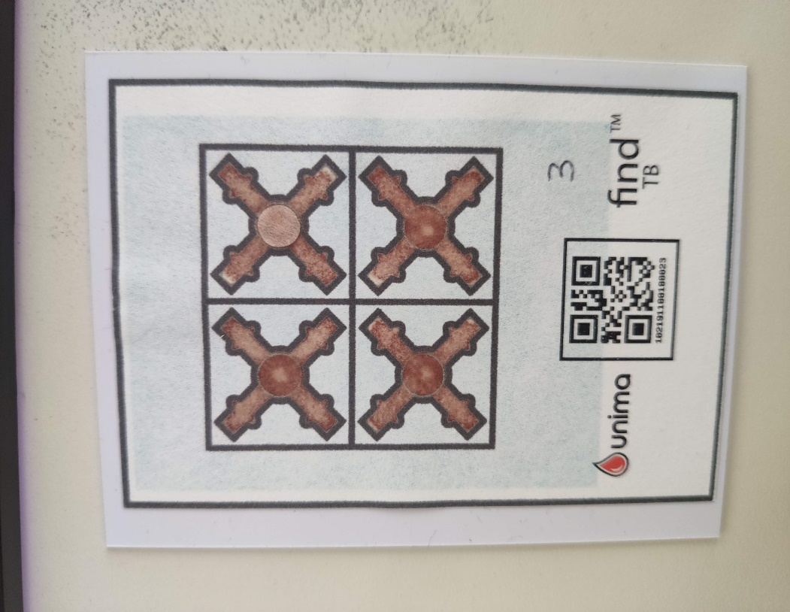
E6 | agl | 0.23758620706 | -0.68954288226 | 0.70917130661 | -0.56512483795 | -0.26802664943
 | aglMean | 4.0833333333 | -1.4309325215 | 4.75 | 2.25 | -0.026085941794
 | totalArea | 0 | 0 | 0 | 0
 | bigBlobs | 0 | 0 | 0 | 0
 | medBlobs | 0 | 0 | 0 | 0
CF | agl | 0.22320741787 | 1.1072075384 | -1.1674565306 | 0.85928578573 | 0.31674807131
 | aglMean | 5.9166666667 | 0.20997149328 | 5.25 | 5.75 | -0.0010651033979
 | totalArea | -1.265011655 | 0.55147044244 | -1.9600699301 | -1.0048951049 | 0.091353218166
 | bigBlobs | 0 | 0 | 0 | 0
 | medBlobs | 0 | 0 | 0 | 0
RV | agl | -0.17944169781 | -0.28425465951 | -0.15535710714 | -0.56662979333 | -0.088380085109
 | aglMean | 7.3333333333 | -2.1797326385 | 8.75 | 4.75 | -0.038072308145
 | totalArea | -3.3348717949 | -0.39502630411 | -2.9832167832 | -3.7714685315 | 0.097229202824
 | bigBlobs | 0 | 0 | 0 | 0
 | medBlobs | 0 | 0 | 0 | 0
CT | agl | -0.22250635266 | -0.58124341772 | -0.12028643697 | -1.0562812973 | -0.13920850029
 | aglMean | 4.0833333333 | -2.2674814439 | 5.25 | 1 | -0.038508837752
 | totalArea | -1.9238228438 | -0.21196888075 | -1.5144055944 | -1.9559440559 | -0.01233181884
 | bigBlobs | 0 | 0 | 0 | 0
 | medBlobs | -0.66666666667 | -0.57735026919 | 0 | -1
 | mean | std | min | max | %std
agl | 1.9900506027 | 0.35484099064 | 1.5609618943 | 2.1505102572 | -0.062820871769
aglMean | 2.5833333333 | 1.8024768109 | 1.25 | 4.75 | 0.030572312963
totalArea | -0.0088344988345 | 0.39213439948 | -0.61153846154 | 0.24657342657 | 0.34133620861
bigBlobs | 0 | 0 | 0 | 0
medBlobs | 0 | 0 | 0 | 0
agl | 0.64945646467 | 1.1536309704 | -0.47760839479 | 1.8708257923 | 0.30970374919
aglMean | 0.66666666667 | 0.75692801675 | -0.25 | 1 | 0.013411377466
totalArea | 1.3759440559 | -0.43776669666 | 1.811048951 | 0.93503496503 | -0.32133870254
bigBlobs | 0 | 0 | 0 | 0
medBlobs | 0 | 0 | 0 | 0
agl | -0.63659930368 | -0.85243378572 | 0.061812356094 | -1.6362414855 | -0.1186751052
aglMean | 1.6666666667 | -0.60406784597 | 2.5 | 1.5 | -0.012908875322
totalArea | -6.3541025641 | -1.7029812295 | -4.5328671329 | -7.919020979 | -0.051745937306
bigBlobs | 0 | 0 | 0 | 0
medBlobs | -1.3333333333 | -0.57735026919 | -1 | -2 | -0.17320508076
agl | 0.48545929029 | 0.18224441846 | 0.36082579234 | 0.69701184012 | 0.02197368102
aglMean | -4.5833333333 | 1.232015498 | -6 | -3.75 | 0.021418619706
totalArea | 0.053333333333 | 0.046188021535 | 0 | 0.08
bigBlobs | 0 | 0 | 0 | 0
medBlobs | 0 | 0 | 0 | 0
E6 | agl | 1.9900506027 | 0.35484099064 | 1.5609618943 | 2.1505102572 | -0.062820871769
 | aglMean | 2.5833333333 | 1.8024768109 | 1.25 | 4.75 | 0.030572312963
 | totalArea | -0.0088344988345 | 0.39213439948 | -0.61153846154 | 0.24657342657 | 0.34133620861
 | bigBlobs | 0 | 0 | 0 | 0
 | medBlobs | 0 | 0 | 0 | 0
CF | agl | 0.64945646467 | 1.1536309704 | -0.47760839479 | 1.8708257923 | 0.30970374919
 | aglMean | 0.66666666667 | 0.75692801675 | -0.25 | 1 | 0.013411377466
 | totalArea | 1.3759440559 | -0.43776669666 | 1.811048951 | 0.93503496503 | -0.32133870254
 | bigBlobs | 0 | 0 | 0 | 0
 | medBlobs | 0 | 0 | 0 | 0
RV | agl | -0.63659930368 | -0.85243378572 | 0.061812356094 | -1.6362414855 | -0.1186751052
 | aglMean | 1.6666666667 | -0.60406784597 | 2.5 | 1.5 | -0.012908875322
 | totalArea | -6.3541025641 | -1.7029812295 | -4.5328671329 | -7.919020979 | -0.051745937306
 | bigBlobs | 0 | 0 | 0 | 0
 | medBlobs | -1.3333333333 | -0.57735026919 | -1 | -2 | -0.17320508076
CT | agl | 0.48545929029 | 0.18224441846 | 0.36082579234 | 0.69701184012 | 0.02197368102
 | aglMean | -4.5833333333 | 1.232015498 | -6 | -3.75 | 0.021418619706
 | totalArea | 0.053333333333 | 0.046188021535 | 0 | 0.08
 | bigBlobs | 0 | 0 | 0 | 0
 | medBlobs | 0 | 0 | 0 | 0
 | mean | std | min | max | %std
agl | -0.76114209918 | -0.52939408829 | -0.046025403784 | -0.94138078556 | -0.10295358139
aglMean | 11.25 | 2.0049561409 | 9.5 | 13.5 | 0.026759584009
totalArea | 0.37333333333 | 0.13316656237 | 0.26 | 0.52
bigBlobs | 0 | 0 | 0 | 0
medBlobs | 0 | 0 | 0 | 0
agl | 1.1751417177 | -0.41395236331 | 1.3692551206 | 0.54297928021 | -0.1107825594
aglMean | 8.1666666667 | 2.9613066383 | 5.25 | 11.25 | 0.048513140053
totalArea | 0.15801864802 | -0.23112852118 | 0.49041958042 | 0.10699300699 | -0.038660789747
bigBlobs | 0 | 0 | 0 | 0
medBlobs | -0.33333333333 | 0 | 0 | 0 | 0.86602540378
agl | 0.7459163564 | 0.64331544723 | 0.21964613302 | 1.4650869387 | 0.09128416631
aglMean | 6.0833333333 | -1.8383198835 | 7.5 | 4 | -0.040675365833
totalArea | -2.0241258741 | -0.96363661808 | -1.0903496503 | -3.0153146853 | -0.036239207929
bigBlobs | 0 | 0 | 0 | 0
medBlobs | -0.33333333333 | 0.57735026919 | -1 | 0 | 0.21650635095
agl | 0.7419180048 | -0.17110928911 | 1.1409618943 | 0.84 | -0.14615209672
aglMean | 2.8333333333 | -1.1489248556 | 3.5 | 1.5 | -0.021913611712
totalArea | -1.5872494172 | 0.22606259382 | -1.9316783217 | -1.5035664336 | 0.18312808552
bigBlobs | 0 | 0 | 0 | 0
medBlobs | 0 | 0 | 0 | 0
E6 | agl | -0.76114209918 | -0.52939408829 | -0.046025403784 | -0.94138078556 | -0.10295358139
 | aglMean | 11.25 | 2.0049561409 | 9.5 | 13.5 | 0.026759584009
 | totalArea | 0.37333333333 | 0.13316656237 | 0.26 | 0.52
 | bigBlobs | 0 | 0 | 0 | 0
 | medBlobs | 0 | 0 | 0 | 0
CF | agl | 1.1751417177 | -0.41395236331 | 1.3692551206 | 0.54297928021 | -0.1107825594
 | aglMean | 8.1666666667 | 2.9613066383 | 5.25 | 11.25 | 0.048513140053
 | totalArea | 0.15801864802 | -0.23112852118 | 0.49041958042 | 0.10699300699 | -0.038660789747
 | bigBlobs | 0 | 0 | 0 | 0
 | medBlobs | -0.33333333333 | 0 | 0 | 0 | 0.86602540378
RV | agl | 0.7459163564 | 0.64331544723 | 0.21964613302 | 1.4650869387 | 0.09128416631
 | aglMean | 6.0833333333 | -1.8383198835 | 7.5 | 4 | -0.040675365833
 | totalArea | -2.0241258741 | -0.96363661808 | -1.0903496503 | -3.0153146853 | -0.036239207929
 | bigBlobs | 0 | 0 | 0 | 0
 | medBlobs | -0.33333333333 | 0.57735026919 | -1 | 0 | 0.21650635095
CT | agl | 0.7419180048 | -0.17110928911 | 1.1409618943 | 0.84 | -0.14615209672
 | aglMean | 2.8333333333 | -1.1489248556 | 3.5 | 1.5 | -0.021913611712
 | totalArea | -1.5872494172 | 0.22606259382 | -1.9316783217 | -1.5035664336 | 0.18312808552
 | bigBlobs | 0 | 0 | 0 | 0
 | mean | std | min | max | %std
agl | 0.20054780185 | 0.03978807928 | 0.50525512861 | 0.48589803375 | -0.019778129507
aglMean | 3.25 | -0.14240880756 | 4 | 3.75 | -0.0039937931755
totalArea | 0.14333333333 | 0.1320353488 | 0 | 0.26
bigBlobs | 0 | 0 | 0 | 0
medBlobs | 0 | 0 | 0 | 0
agl | 1.1046964879 | 0.030949834439 | 1.2002752641 | 1.3191713066 | -0.099836468959
aglMean | -2.6666666667 | 1.546755095 | -3.5 | -0.5 | 0.026668379133
totalArea | 0.11333333333 | 0.13316656237 | 0 | 0.26
bigBlobs | 0 | 0 | 0 | 0
medBlobs | 0 | 0 | 0 | 0
agl | 2.6495890876 | -1.3731257601 | 4.2188373665 | 1.6682783115 | -0.23424105615
aglMean | -0.66666666667 | -1.7469433686 | 1 | -2.5 | -0.03245443919
totalArea | -4.4081118881 | -0.3127106873 | -4.0797902098 | -4.7032167832 | -0.0081512282388
bigBlobs | 0 | 0 | 0 | 0
medBlobs | 0 | 0 | 0 | 0 | 0
agl | 2.9662805837 | -1.0254828981 | 4.2536499528 | 2.5225958991 | -0.12616482582
aglMean | -5 | -1.296338193 | -4 | -6.5 | -0.022019473283
totalArea | -0.6413986014 | 0.58758274885 | -1.0165734266 | 0.11118881119 | 0.057010541899
bigBlobs | 0 | 0 | 0 | 0
medBlobs | 0 | 0 | 0 | 0 | 0
 | medBlobs | 0 | 0 | 0 | 0
E6 | agl | 0.20054780185 | 0.03978807928 | 0.50525512861 | 0.48589803375 | -0.019778129507
 | aglMean | 3.25 | -0.14240880756 | 4 | 3.75 | -0.0039937931755
 | totalArea | 0.14333333333 | 0.1320353488 | 0 | 0.26
 | bigBlobs | 0 | 0 | 0 | 0
 | medBlobs | 0 | 0 | 0 | 0
CF | agl | 1.1046964879 | 0.030949834439 | 1.2002752641 | 1.3191713066 | -0.099836468959
 | aglMean | -2.6666666667 | 1.546755095 | -3.5 | -0.5 | 0.026668379133
 | totalArea | 0.11333333333 | 0.13316656237 | 0 | 0.26
 | bigBlobs | 0 | 0 | 0 | 0
 | medBlobs | 0 | 0 | 0 | 0
RV | agl | 2.6495890876 | -1.3731257601 | 4.2188373665 | 1.6682783115 | -0.23424105615
 | aglMean | -0.66666666667 | -1.7469433686 | 1 | -2.5 | -0.03245443919
 | totalArea | -4.4081118881 | -0.3127106873 | -4.0797902098 | -4.7032167832 | -0.0081512282388
 | bigBlobs | 0 | 0 | 0 | 0
 | medBlobs | 0 | 0 | 0 | 0 | 0
CT | agl | 2.9662805837 | -1.0254828981 | 4.2536499528 | 2.5225958991 | -0.12616482582
 | aglMean | -5 | -1.296338193 | -4 | -6.5 | -0.022019473283
 | totalArea | -0.6413986014 | 0.58758274885 | -1.0165734266 | 0.11118881119 | 0.057010541899
 | bigBlobs | 0 | 0 | 0 | 0
 | mean | std | min | max | %std
agl | 0.63979776667 | 0.34269239798 | -0.12421356237 | 0.31994505536 | 0.010855120642
aglMean | 1.0833333333 | -0.27272965874 | 0.75 | 0.25 | -0.0051094345018
totalArea | 0.083333333333 | 0.085049005481 | 0 | 0.17
bigBlobs | 0 | 0 | 0 | 0
medBlobs | 0 | 0 | 0 | 0
agl | -0.15526829411 | -0.41647082481 | 0.57525512861 | -0.41106001094 | -0.15250229612
aglMean | 9.75 | 0.55277563773 | 9 | 10 | 0.005041296777
totalArea | 0.76981351981 | -1.4598857124 | 1.5311188811 | -0.9227972028 | -0.20754864998
bigBlobs | 0 | 0 | 0 | 0
medBlobs | 0 | 0 | 0 | 0
agl | 0.38868883731 | 0.51425611338 | 0.18202479214 | 1.0469537376 | 0.036107490146
aglMean | 0.91666666667 | -0.42156017577 | 1.5 | 0.75 | -0.0085539747159
totalArea | 0.80804195804 | -0.68225117254 | 0.78440559441 | -0.27244755245 | -0.021416580204
bigBlobs | -1.3333333333 | 0.57735026919 | -2 | -1 | 0.86602540378
medBlobs | 0.33333333333 | 0.57735026919 | 0 | 1
agl | 0.90702041086 | 1.063382107 | -0.24082869339 | 1.8945240526 | 0.25082248059
aglMean | 4.75 | 1.1428755227 | 3.75 | 6.25 | 0.015831196923
totalArea | 0.86431235431 | 0.733404967 | 0.08 | 1.5603496503 | -0.34269387875
bigBlobs | 0 | 0 | 0 | 0
medBlobs | 0 | 0 | 0 | 0
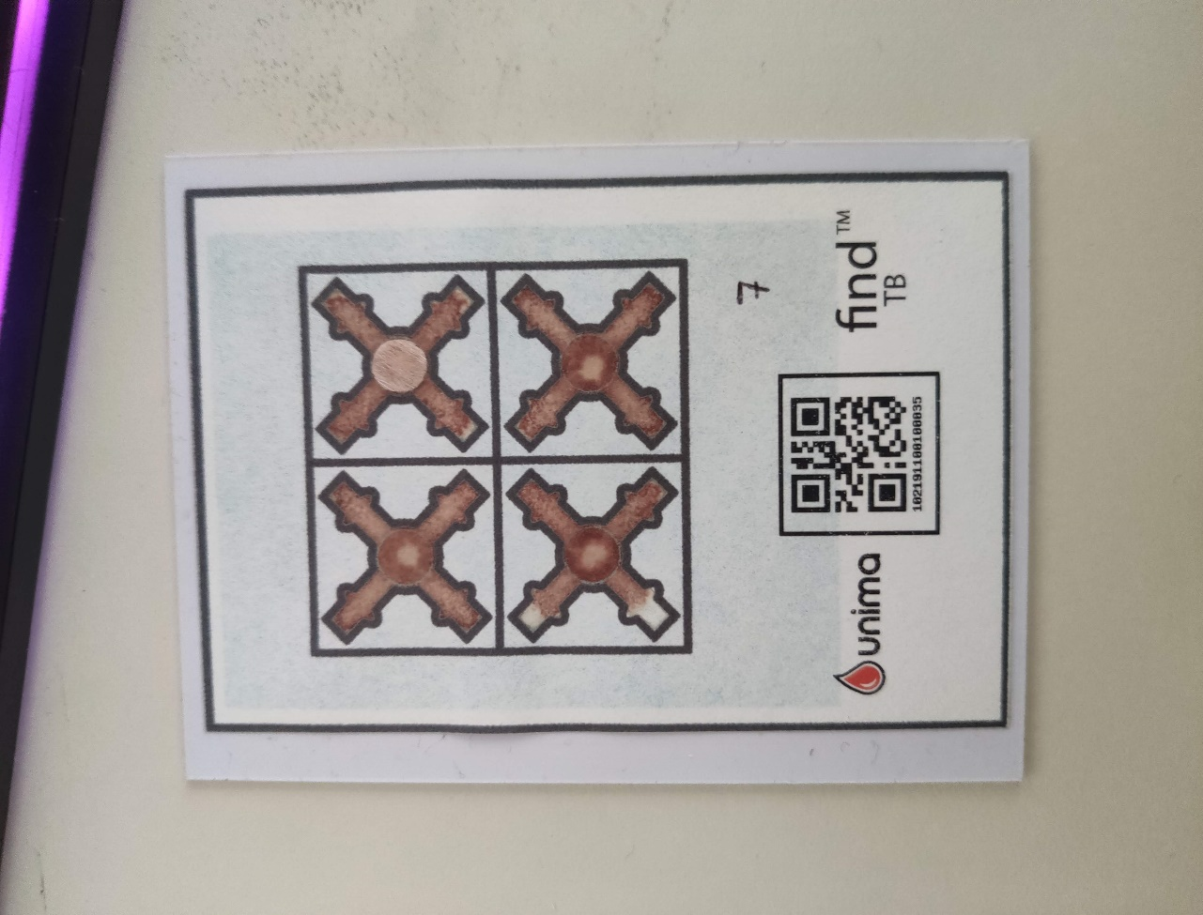
 | medBlobs | 0 | 0 | 0 | 0 | 0
E6 | agl | 0.63979776667 | 0.34269239798 | -0.12421356237 | 0.31994505536 | 0.010855120642
 | aglMean | 1.0833333333 | -0.27272965874 | 0.75 | 0.25 | -0.0051094345018
 | totalArea | 0.083333333333 | 0.085049005481 | 0 | 0.17
 | bigBlobs | 0 | 0 | 0 | 0
 | medBlobs | 0 | 0 | 0 | 0
CF | agl | -0.15526829411 | -0.41647082481 | 0.57525512861 | -0.41106001094 | -0.15250229612
 | aglMean | 9.75 | 0.55277563773 | 9 | 10 | 0.005041296777
 | totalArea | 0.76981351981 | -1.4598857124 | 1.5311188811 | -0.9227972028 | -0.20754864998
 | bigBlobs | 0 | 0 | 0 | 0
 | medBlobs | 0 | 0 | 0 | 0
RV | agl | 0.38868883731 | 0.51425611338 | 0.18202479214 | 1.0469537376 | 0.036107490146
 | aglMean | 0.91666666667 | -0.42156017577 | 1.5 | 0.75 | -0.0085539747159
 | totalArea | 0.80804195804 | -0.68225117254 | 0.78440559441 | -0.27244755245 | -0.021416580204
 | bigBlobs | -1.3333333333 | 0.57735026919 | -2 | -1 | 0.86602540378
 | medBlobs | 0.33333333333 | 0.57735026919 | 0 | 1
CT | agl | 0.90702041086 | 1.063382107 | -0.24082869339 | 1.8945240526 | 0.25082248059
 | aglMean | 4.75 | 1.1428755227 | 3.75 | 6.25 | 0.015831196923
 | totalArea | 0.86431235431 | 0.733404967 | 0.08 | 1.5603496503 | -0.34269387875
 | bigBlobs | 0 | 0 | 0 | 0
 | mean | std | min | max | %std
agl | 1.4223451172 | -0.6522815687 | 1.61 | 0.567864045 | -0.37987267233
aglMean | 10.916666667 | 0.40627629041 | 11 | 11.5 | 0.0022197649601
totalArea | -0.19895104895 | -0.35956940493 | 0.20874125874 | -0.57727272727 | -0.037391091909
bigBlobs | 0 | 0 | 0 | 0
medBlobs | -0.66666666667 | -0.57735026919 | 0 | -1
agl | 0.9905528318 | 0.62396687914 | 0.64 | 1.7591406891 | 0.067861102556
aglMean | 7.5 | -2.9474565306 | 10 | 4.25 | -0.056410651304
totalArea | -1.7491841492 | 0.023620765285 | -1.8351048951 | -1.7473426573 | 0.0024641405323
bigBlobs | 0 | 0 | 0 | 0
medBlobs | -1.3333333333 | -1.1102230246E-16 | -1 | -1 | 0.21650635095
agl | 0.74040273981 | -0.2699044664 | 1.0530159975 | 0.52782217351 | -0.059567403385
aglMean | 10.25 | 3.4946876044 | 7.75 | 14.25 | 0.053470037112
totalArea | -1.0978787879 | 0.71699072261 | -1.6723076923 | -0.29160839161 | 0.038097559484
bigBlobs | 0 | 0 | 0 | 0
medBlobs | 0 | 0 | 0 | 0 | 0
agl | 2.310430098 | 0.7487828957 | 1.4577929985 | 2.8746599289 | 0.03810966182
aglMean | 5.25 | -1.376850762 | 6.5 | 3.75 | -0.02712480847
totalArea | -0.94843822844 | 0.13077652867 | -1.0912587413 | -0.83314685315 | 0.020078860251
bigBlobs | 0 | 0 | 0 | 0
medBlobs | -0.33333333333 | -0.57735026919 | 0 | -1
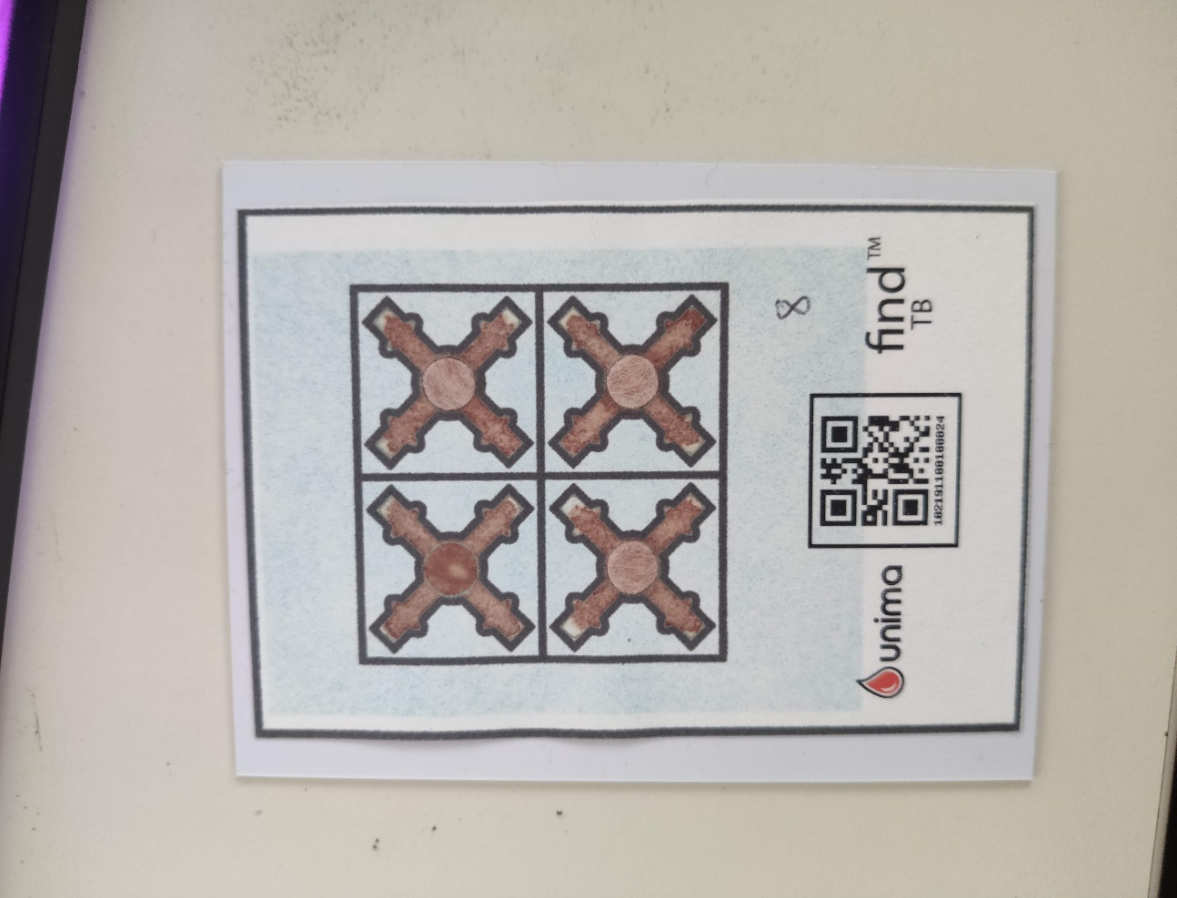
 | medBlobs | 0 | 0 | 0 | 0
E6 | agl | 1.4223451172 | -0.6522815687 | 1.61 | 0.567864045 | -0.37987267233
 | aglMean | 10.916666667 | 0.40627629041 | 11 | 11.5 | 0.0022197649601
 | totalArea | -0.19895104895 | -0.35956940493 | 0.20874125874 | -0.57727272727 | -0.037391091909
 | bigBlobs | 0 | 0 | 0 | 0
 | medBlobs | -0.66666666667 | -0.57735026919 | 0 | -1
CF | agl | 0.9905528318 | 0.62396687914 | 0.64 | 1.7591406891 | 0.067861102556
 | aglMean | 7.5 | -2.9474565306 | 10 | 4.25 | -0.056410651304
 | totalArea | -1.7491841492 | 0.023620765285 | -1.8351048951 | -1.7473426573 | 0.0024641405323
 | bigBlobs | 0 | 0 | 0 | 0
 | medBlobs | -1.3333333333 | -1.1102230246E-16 | -1 | -1 | 0.21650635095
RV | agl | 0.74040273981 | -0.2699044664 | 1.0530159975 | 0.52782217351 | -0.059567403385
 | aglMean | 10.25 | 3.4946876044 | 7.75 | 14.25 | 0.053470037112
 | totalArea | -1.0978787879 | 0.71699072261 | -1.6723076923 | -0.29160839161 | 0.038097559484
 | bigBlobs | 0 | 0 | 0 | 0
 | medBlobs | 0 | 0 | 0 | 0 | 0
CT | agl | 2.310430098 | 0.7487828957 | 1.4577929985 | 2.8746599289 | 0.03810966182
 | aglMean | 5.25 | -1.376850762 | 6.5 | 3.75 | -0.02712480847
 | totalArea | -0.94843822844 | 0.13077652867 | -1.0912587413 | -0.83314685315 | 0.020078860251
 | bigBlobs | 0 | 0 | 0 | 0
 | mean | std | min | max | %std
agl | -1.3109419 | -0.16517152785 | -1.3553571071 | -1.59 | 0.28915312804
aglMean | 2.9166666667 | -0.94636243658 | 3.25 | 1.5 | -0.01744799444
totalArea | 1.2966666667 | 0.39715656023 | 0.95 | 1.73
bigBlobs | 0 | 0 | 0 | 0
medBlobs | 0 | 0 | 0 | 0
agl | 2.8119192079 | 0.28148416334 | 2.3016876048 | 3.0594271261 | -0.21699510677
aglMean | 3 | 0.23315091965 | 2.75 | 3.25 | 0.0029541310897
totalArea | 1.455967366 | 0.06357915803 | 1.3727972028 | 1.4564335664 | -0.037833517546
bigBlobs | 0 | 0 | 0 | 0
medBlobs | 0 | 0 | 0 | 0
agl | 1.0559902153 | 0.43014978199 | 0.95084380241 | 1.8986796564 | -0.01132463013
aglMean | 1.8333333333 | 0.12310736318 | 1.25 | 1.75 | 0.0013260635033
totalArea | 2.5934498834 | 0.039968582892 | 2.52 | 2.5977622378 | -1.0816241762
bigBlobs | 0 | 0 | 0 | 0
medBlobs | 0 | 0 | 0 | 0
agl | 1.1893218706 | -0.32312045497 | 1.5052551286 | 0.84904867631 | -0.23974219708
aglMean | -2.75 | 0.040558867025 | -3 | -2.75 | 0.0018732118844
totalArea | -0.33594405594 | -0.1749475694 | -0.1879020979 | -0.53979020979 | -0.06418065274
bigBlobs | 0 | 0 | 0 | 0
medBlobs | 0 | 0 | 0 | 0
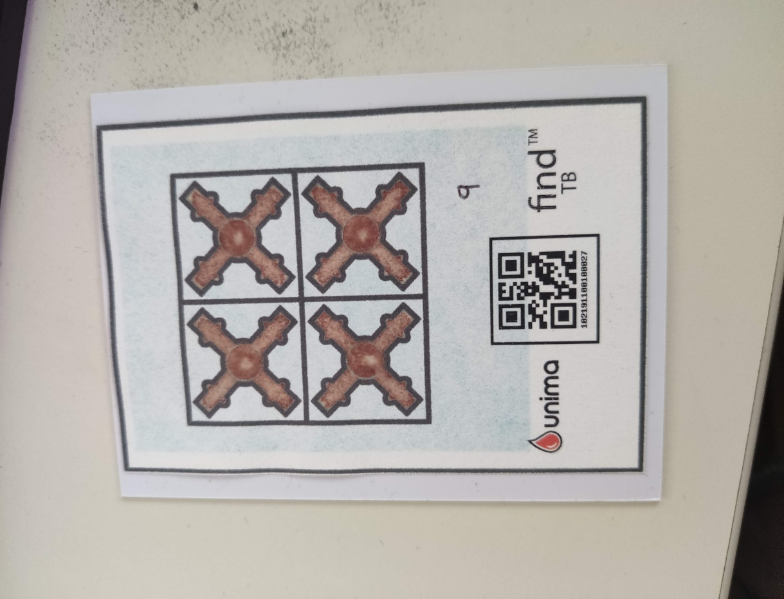
 | medBlobs | -0.33333333333 | -0.57735026919 | 0 | -1
E6 | agl | -1.3109419 | -0.16517152785 | -1.3553571071 | -1.59 | 0.28915312804
 | aglMean | 2.9166666667 | -0.94636243658 | 3.25 | 1.5 | -0.01744799444
 | totalArea | 1.2966666667 | 0.39715656023 | 0.95 | 1.73
 | bigBlobs | 0 | 0 | 0 | 0
 | medBlobs | 0 | 0 | 0 | 0
CF | agl | 2.8119192079 | 0.28148416334 | 2.3016876048 | 3.0594271261 | -0.21699510677
 | aglMean | 3 | 0.23315091965 | 2.75 | 3.25 | 0.0029541310897
 | totalArea | 1.455967366 | 0.06357915803 | 1.3727972028 | 1.4564335664 | -0.037833517546
 | bigBlobs | 0 | 0 | 0 | 0
 | medBlobs | 0 | 0 | 0 | 0
RV | agl | 1.0559902153 | 0.43014978199 | 0.95084380241 | 1.8986796564 | -0.01132463013
 | aglMean | 1.8333333333 | 0.12310736318 | 1.25 | 1.75 | 0.0013260635033
 | totalArea | 2.5934498834 | 0.039968582892 | 2.52 | 2.5977622378 | -1.0816241762
 | bigBlobs | 0 | 0 | 0 | 0
 | medBlobs | 0 | 0 | 0 | 0
CT | agl | 1.1893218706 | -0.32312045497 | 1.5052551286 | 0.84904867631 | -0.23974219708
 | aglMean | -2.75 | 0.040558867025 | -3 | -2.75 | 0.0018732118844
 | totalArea | -0.33594405594 | -0.1749475694 | -0.1879020979 | -0.53979020979 | -0.06418065274
 | bigBlobs | 0 | 0 | 0 | 0
 | mean | std | min | max | %std
agl | 1.281297137 | 0.0023155652362 | 1.5002752641 | 1.5949364905 | -0.14083716015
aglMean | 3.75 | 0.73363357877 | 3 | 4.5 | 0.01157550347
totalArea | 0.77517482517 | -0.074114152719 | 0.78 | 0.68552447552 | -1.4913224575
bigBlobs | 0 | 0 | 0 | 0
medBlobs | 0 | 0 | 0 | 0
agl | 0.70313474328 | -0.13474128351 | 0.86702392709 | 0.55902849193 | -0.022471079095
aglMean | 3.8333333333 | 2.1171514013 | 2.5 | 6.5 | 0.041966836985
totalArea | -4.1070862471 | -0.28003673228 | -4.5420979021 | -5.0696503497 | -0.0038177641686
bigBlobs | 0 | 0 | 0 | 0 | 0
medBlobs | 0 | 0 | 0 | 0 | 0
agl | -0.33248551021 | 0.59653069352 | -0.78 | 0.35 | 0.25149833652
aglMean | 7.5833333333 | 0 | 8 | 8 | -0.0016128422681
totalArea | -3.3461305361 | -1.405206857 | -1.9994405594 | -4.8971328671 | -0.065256803742
bigBlobs | 0 | 0 | 0 | 0
medBlobs | -0.33333333333 | 0.57735026919 | -1 | 0 | 0.34641016151
agl | -0.47440238977 | -0.16074877128 | -0.37128784748 | -0.6708593109 | 0.01675015999
aglMean | 1.5 | -0.24727156169 | 1.75 | 1.25 | -0.0045236017611
totalArea | -1.4428438228 | -0.91689800669 | -0.50293706294 | -2.4358041958 | -0.051767466716
bigBlobs | 0 | 0 | 0 | 0
medBlobs | -0.33333333333 | -0.42264973081 | 0 | -1 | -0.13397459622
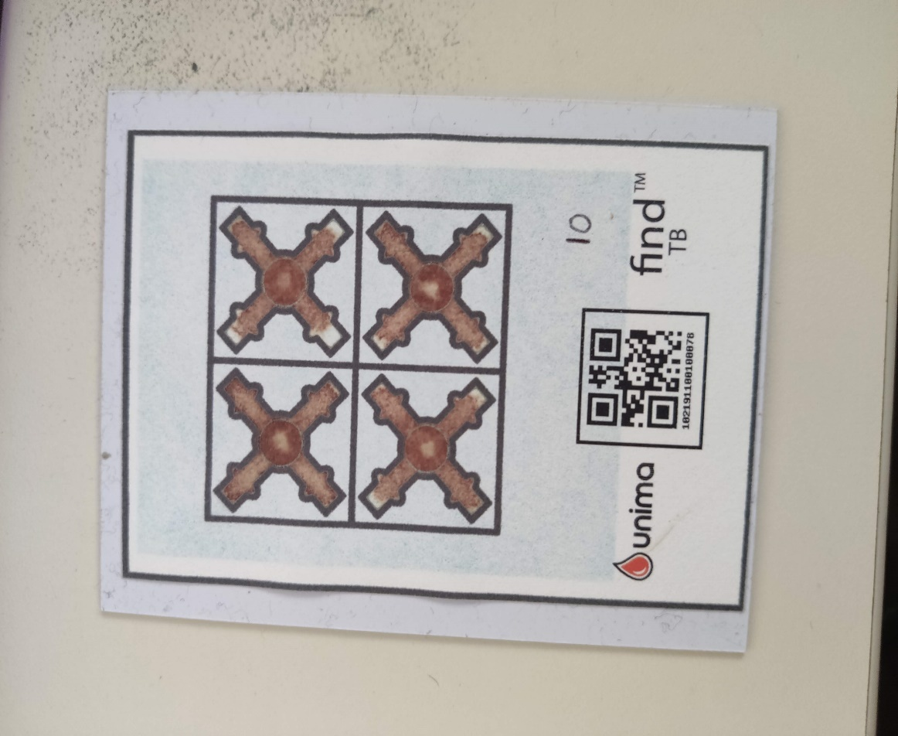
 | medBlobs | 0 | 0 | 0 | 0
E6 | agl | 1.281297137 | 0.0023155652362 | 1.5002752641 | 1.5949364905 | -0.14083716015
 | aglMean | 3.75 | 0.73363357877 | 3 | 4.5 | 0.01157550347
 | totalArea | 0.77517482517 | -0.074114152719 | 0.78 | 0.68552447552 | -1.4913224575
 | bigBlobs | 0 | 0 | 0 | 0
 | medBlobs | 0 | 0 | 0 | 0
CF | agl | 0.70313474328 | -0.13474128351 | 0.86702392709 | 0.55902849193 | -0.022471079095
 | aglMean | 3.8333333333 | 2.1171514013 | 2.5 | 6.5 | 0.041966836985
 | totalArea | -4.1070862471 | -0.28003673228 | -4.5420979021 | -5.0696503497 | -0.0038177641686
 | bigBlobs | 0 | 0 | 0 | 0 | 0
 | medBlobs | 0 | 0 | 0 | 0 | 0
RV | agl | -0.33248551021 | 0.59653069352 | -0.78 | 0.35 | 0.25149833652
 | aglMean | 7.5833333333 | 0 | 8 | 8 | -0.0016128422681
 | totalArea | -3.3461305361 | -1.405206857 | -1.9994405594 | -4.8971328671 | -0.065256803742
 | bigBlobs | 0 | 0 | 0 | 0
 | medBlobs | -0.33333333333 | 0.57735026919 | -1 | 0 | 0.34641016151
CT | agl | -0.47440238977 | -0.16074877128 | -0.37128784748 | -0.6708593109 | 0.01675015999
 | aglMean | 1.5 | -0.24727156169 | 1.75 | 1.25 | -0.0045236017611
 | totalArea | -1.4428438228 | -0.91689800669 | -0.50293706294 | -2.4358041958 | -0.051767466716
 | bigBlobs | 0 | 0 | 0 | 0
 | medBlobs | -0.33333333333 | -0.42264973081 | 0 | -1 | -0.13397459622

